Splash Page
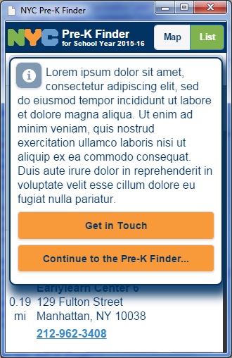
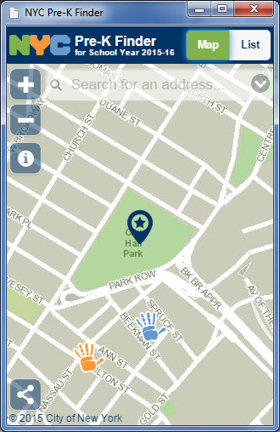
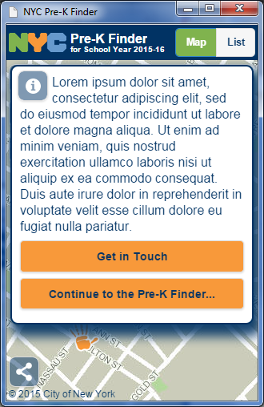
Initial View | Map View | Map View
provides room for descriptive text tobe provided by DOE. Info icon as que to info button on map view. | Info button allows for the redisplay of the splash page. | Splash page redisplayed after clicking Info button.

